Methodology
Methodology
Various data points throughout the report, including maps and related data points contained in the macro context section, derive from Aviva’s own calculations and mapping analysis. The methodology used in these calculations is detailed below.
Data sources and details
Climate risk data sources
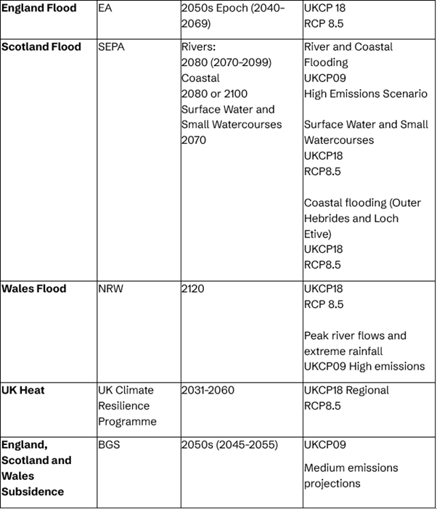

UK property data set

Methodology

Flooding
Both river/coastal and surface water flooding analysis use current and future projected flood data from all UK nations except Northern Ireland (see table). Medium and above risk level used in current and future scenarios. Please note each nation has a different future scenario timescale so the data sets are not comparable.
Scenarios mapped and cross-referenced with UK property address data
Each nation divided into 10km hexagons and number of properties with flood risk recorded for each
Map created to show shading for percentage of properties in each hexagon that suffer flood risk in each scenario. For river/coastal flooding, scale created with minimum 0% of properties and maximum 15+% of properties suffering flood risk. For surface water flooding, scale created with minimum 0% of properties and maximum 20+% of properties suffering flood risk.
For each nation, the scale used is slightly different in order to allow all maps to be shown together. For this reason, and because of different future scenario timelines, the maps of each nation are not comparable.
Political constituencies mapped across the same data set to produce constituency-level data tables.
Northern Ireland has been omitted due to lack of availability of up-to-date climate change flood projections.

Subsidence
Uses current and future projected subsidence risk across England, Scotland and Wales (see table, Northern Ireland is not included in the data set). Medium and above risk level used in current and future scenarios.
UKCP09 data set used in order to rationalise 2050 timeline with EA flood data and align with the general scope of this report. The outputs do not, therefore, contain the advanced modelling of UKCP18, but the two projections are “broadly consistent… both show increased chance of milder, wetter winters and hotter, drier summers” (BGS).
Map created to show extent of subsidence risk across present and future scenarios.
Scenarios mapped and cross-referenced with UK property address data.
Political constituencies mapped across the same data set to produce constituency-level data tables.

Heat
Uses “Maximum temperature” indicator and “°C Change” (see table). Data collected in 12x12 kilometre squares.
Map created to show average maximum temperature in each square across the UK, in relation to the 1981–2010 standard normal.
Data cross-referenced with UK property address data.
Political constituencies mapped across the same data set to produce constituency-level data tables.

